34
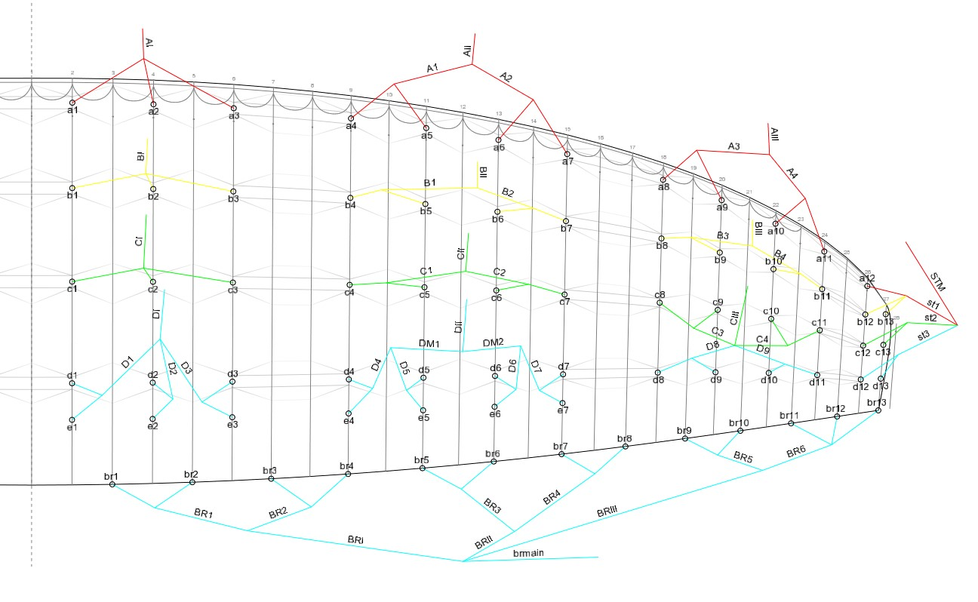
VERVE 34 |  |  | With riser
 | A | B | C | D | E | Break
1 | 7912 | 7837 | 7868 | 8032 | 8095 | 8779
2 | 7841 | 7758 | 7784 | 7944 | 8007 | 8458
3 | 7872 | 7793 | 7828 | 7993 | 8051 | 8221
4 | 7859 | 7780 | 7815 | 7984 | 8037 | 8111
5 | 7789 | 7709 | 7745 | 7900 | 7949 | 7943
6 | 7771 | 7696 | 7736 | 7887 | 7932 | 7825
7 | 7797 | 7736 | 7780 | 7936 | 7976 | 7772
8 | 7582 | 7608 | 7657 | 7727 |  | 7803
9 | 7454 | 7494 | 7538 | 7608 |  | 7723
10 | 7327 | 7384 | 7437 | 7503 |  | 7671
11 | 7234 | 7309 | 7362 | 7428 |  | 7644
12 | 7150 | 7123 | 7141 | 7231 |  | 7534
13 |  | 7035 | 7051 | 7126 |  | 7508
14

Name | Length | Spec |  | Name | Length | Spec | Name | Length | Spec | Name | Length | Spec | Name | Length | Spec | Name | Length | Spec
a1 | 2350 | TNL 145 |  | b1 | 2182 | TNL 145 | c1 | 2042 | TNL 125 | d1 | 854 | TNL 80 | e1 | 916 | TNL 80 | br1 | 1668 | TNL 80
a2 | 2279 | TNL 145 |  | b2 | 2103 | TNL 145 | c2 | 1958 | TNL 125 | d2 | 849 | TNL 80 | e2 | 912 | TNL 80 | br2 | 1346 | TNL 80
a3 | 2310 | TNL 145 |  | b3 | 2138 | TNL 145 | c3 | 2002 | TNL 125 | d3 | 818 | TNL 80 | e3 | 877 | TNL 80 | br3 | 1360 | TNL 80
a4 | 1580 | TNL 125 |  | b4 | 1492 | TNL 125 | c4 | 1426 | TNL 80 | d4 | 748 | TNL 80 | e4 | 801 | TNL 80 | br4 | 1250 | TNL 80
a5 | 1509 | TNL 125 |  | b5 | 1421 | TNL 125 | c5 | 1355 | TNL 80 | d5 | 708 | TNL 80 | e5 | 757 | TNL 80 | br5 | 1302 | TNL 80
a6 | 1496 | TNL 125 |  | b6 | 1408 | TNL 125 | c6 | 1346 | TNL 80 | d6 | 695 | TNL 80 | e6 | 740 | TNL 80 | br6 | 1184 | TNL 80
a7 | 1522 | TNL 125 |  | b7 | 1448 | TNL 125 | c7 | 1390 | TNL 80 | d7 | 700 | TNL 80 | e7 | 740 | TNL 80 | br7 | 1210 | TNL 80
a8 | 1364 | TNL 125 |  | b8 | 1280 | TNL 125 | c8 | 1179 | TNL 80 | d8 | 1184 | TNL 80 |  |  |  | br8 | 1241 | TNL 80
a9 | 1236 | TNL 125 |  | b9 | 1166 | TNL 125 | c9 | 1060 | TNL 80 | d9 | 1065 | TNL 80 | DI | 5783 | TNL 280 | br9 | 1175 | TNL 80
a10 | 1228 | TNL 125 |  | b10 | 1157 | TNL 125 | c10 | 1056 | TNL 80 | d10 | 1052 | TNL 80 | DII | 4991 | TNL 280 | br10 | 1122 | TNL 80
a11 | 1135 | TNL 125 |  | b11 | 1082 | TNL 125 | c11 | 981 | TNL 80 | d11 | 977 | TNL 80 |  |  |  | br11 | 1148 | TNL 80
a12 | 537 | TNL 80 |  | b12 | 510 | TNL 80 | c12 | 493 | TNL 80 | d12 | 554 | TNL 80 |  |  |  | br12 | 1038 | TNL 80
 |  |  |  | b13 | 422 | TNL 80 | c13 | 403 | TNL 80 | d13 | 449 | TNL 80 | st1 | 717 | TNL 125 | br13 | 1012 | TNL 80
 |  |  |  |  |  |  |  |  |  |  |  |  | st2 | 752 | TNL 125
A1 | 1500 | TNL 200 |  | B1 | 1412 | TNL 200 | C1 | 1351 | TNL 180 | D1 | 1060 | TNL 180 | st3 | 759 | TNL 125 | BR1 | 1492 | TNL 125
A2 | 1496 | TNL 200 |  | B2 | 1412 | TNL 200 | C2 | 1351 | TNL 180 | D2 | 977 | TNL 180 |  |  |  | BR2 | 1241 | TNL 125
A3 | 1302 | TNL 180 |  | B3 | 1219 | TNL 180 | C3 | 1100 | TNL 180 | D3 | 1056 | TNL 180 | STM | 5561 | TNL 145 | BR3 | 1241 | TNL 125
A4 | 1184 | TNL 180 |  | B4 | 1118 | TNL 180 | C4 | 1003 | TNL 180 | D4 | 616 | TNL 180 |  |  |  | BR4 | 1162 | TNL 125
 |  |  |  |  | 0 |  |  | 0 |  | D5 | 572 | TNL 180 |  |  |  | BR5 | 1109 | TNL 125
AI | 5217 | TNL 400 |  | BI | 5320 | TNL 400 | CI | 5491 | TNL 280 | D6 | 572 | TNL 180 |  |  |  | BR6 | 1056 | TNL 125
AII | 4444 | TNL 400 |  | BII | 4541 | TNL 400 | CII | 4704 | TNL 280 | D7 | 616 | TNL 180
AIII | 4611 | TNL 280 |  | BIII | 4774 | TNL 280 | CIII | 5042 | TNL 280 | D8 | 1166 | TNL 180 |  |  |  | BRI | 2235 | TNL 180
 |  |  |  |  |  |  |  |  |  | D9 | 1074 | TNL 180 |  |  |  | BRII | 2015 | TNL 180
 |  |  |  |  |  |  |  |  |  |  |  |  |  |  |  | BRIII | 2055 | TNL 180
 |  |  |  |  |  |  |  |  |  | DM1 | 1294 | TNL 180
 |  |  |  |  |  |  |  |  |  | DM2 | 1294 | TNL 180 |  |  |  | BRI | 3425+200 | TNL 400

39
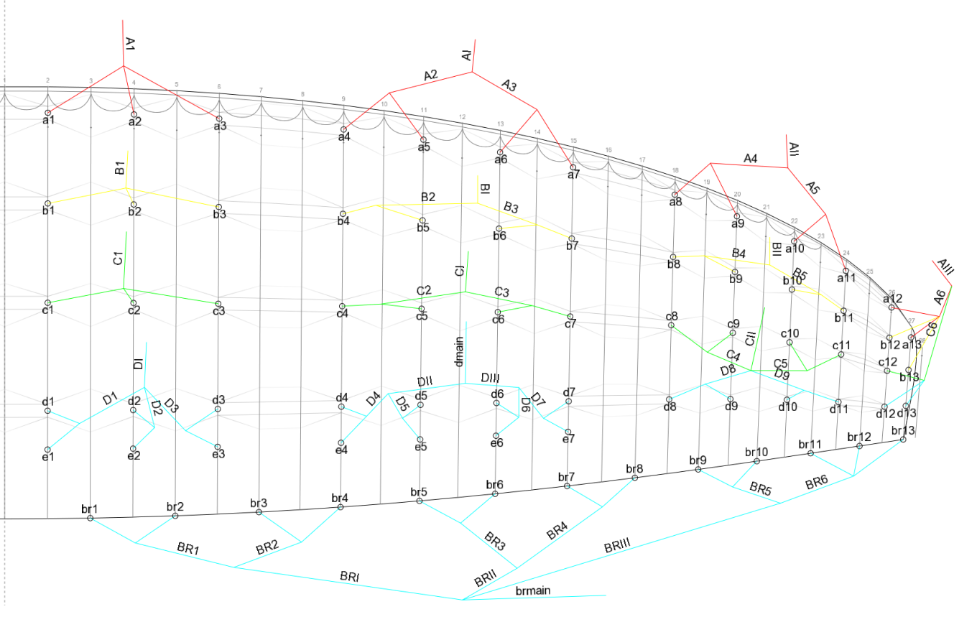
VERVE 39 |  |  | With riser
 | A | B | C | D | E | Break
1 | 8605 | 8520 | 8550 | 8620 | 8775 | 9455
2 | 8525 | 8435 | 8460 | 8675 | 8680 | 9105
3 | 8560 | 8475 | 8510 | 8640 | 8725 | 8850
4 | 8545 | 8455 | 8495 | 8555 | 8695 | 8730
5 | 8465 | 8380 | 8420 | 8540 | 8600 | 8545
6 | 8445 | 8365 | 8410 | 8590 | 8580 | 8415
7 | 8475 | 8410 | 8455 | 8395 | 8625 | 8355
8 | 8320 | 8270 | 8320 | 8265 |  | 8390
9 | 8180 | 8145 | 8190 | 8150 |  | 8300
10 | 8040 | 8030 | 8080 | 8070 |  | 8245
11 | 7940 | 7945 | 8000 | 7815 |  | 8215
12 | 7745 | 7700 | 7745 |  |  | 8185
13 | 7605 | 7645 | 7705 |  |  | 8155
14

Name | Length | Spec |  | Name | Length | Spec | Name | Length | Spec | Name | Length | Spec | Name | Length | Spec | Name | Length | Spec
a1 | 2565 | TNL 145 |  | b1 | 2380 | TNL 145 | c1 | 2225 | TNL 125 | d1 | 930 | TNL 80 | e1 | 990 | TNL 80 | br1 | 1820 | TNL 80
a2 | 2485 | TNL 145 |  | b2 | 2295 | TNL 145 | c2 | 2135 | TNL 125 | d2 | 925 | TNL 80 | e2 | 985 | TNL 80 | br2 | 1470 | TNL 80
a3 | 2520 | TNL 145 |  | b3 | 2335 | TNL 145 | c3 | 2185 | TNL 125 | d3 | 895 | TNL 80 | e3 | 945 | TNL 80 | br3 | 1485 | TNL 80
a4 | 1725 | TNL 125 |  | b4 | 1625 | TNL 125 | c4 | 1555 | TNL 80 | d4 | 815 | TNL 80 | e4 | 870 | TNL 80 | br4 | 1365 | TNL 80
a5 | 1645 | TNL 125 |  | b5 | 1550 | TNL 125 | c5 | 1480 | TNL 80 | d5 | 775 | TNL 80 | e5 | 820 | TNL 80 | br5 | 1420 | TNL 80
a6 | 1630 | TNL 125 |  | b6 | 1535 | TNL 125 | c6 | 1470 | TNL 80 | d6 | 760 | TNL 80 | e6 | 800 | TNL 80 | br6 | 1290 | TNL 80
a7 | 1660 | TNL 125 |  | b7 | 1580 | TNL 125 | c7 | 1515 | TNL 80 | d7 | 765 | TNL 80 | e7 | 800 | TNL 80 | br7 | 1320 | TNL 80
a8 | 1490 | TNL 125 |  | b8 | 1395 | TNL 125 | c8 | 1285 | TNL 80 | d8 | 1290 | TNL 80 |  |  |  | br8 | 1355 | TNL 80
a9 | 1350 | TNL 125 |  | b9 | 1270 | TNL 125 | c9 | 1155 | TNL 80 | d9 | 1160 | TNL 80 | Dmain | 5430 | TNL 280 | br9 | 1280 | TNL 80
a10 | 1340 | TNL 125 |  | b10 | 1265 | TNL 125 | c10 | 1150 | TNL 80 | d10 | 1145 | TNL 80 |  |  |  | br10 | 1225 | TNL 80
a11 | 1240 | TNL 125 |  | b11 | 1180 | TNL 125 | c11 | 1070 | TNL 80 | d11 | 1065 | TNL 80 | st1 | 780 | TNL 125 | br11 | 1255 | TNL 80
a12 | 595 | TNL 80 |  | b12 | 550 | TNL 80 | c12 | 545 | TNL 80 | d12 | 615 | TNL 80 | st2 | 830 | TNL 125 | br12 | 1135 | TNL 80
a13 | 455 | TNL 80 |  | b13 | 495 | TNL 80 | c13 | 505 | TNL 80 |  |  |  |  |  |  | br13 | 1105 | TNL 80
 |  |  |  |  |  |  |  |  |  | D1 | 1155 | TNL 180 | STM | 6035 | TNL 145
 |  |  |  |  |  |  |  |  |  | D2 | 1065 | TNL 180 |  |  |  | BR1 | 1625 | TNL 125
A1 | 1635 | TNL 200 |  | B1 | 1540 | TNL 200 | C1 | 1475 | TNL 180 | D3 | 1150 | TNL 180 |  |  |  | BR2 | 1355 | TNL 125
A2 | 1630 | TNL 200 |  | B2 | 1540 | TNL 200 | C2 | 1475 | TNL 180 | D4 | 670 | TNL 180 |  |  |  | BR3 | 1355 | TNL 125
A3 | 1420 | TNL 180 |  | B3 | 1330 | TNL 180 | C3 | 1200 | TNL 180 | D5 | 625 | TNL 180 |  |  |  | BR4 | 1265 | TNL 125
A4 | 1290 | TNL 180 |  | B4 | 1220 | TNL 180 | C4 | 1095 | TNL 180 | D6 | 625 | TNL 180 |  |  |  | BR5 | 1210 | TNL 125
 |  |  |  |  |  |  |  |  |  | D7 | 670 | TNL 180 |  |  |  | BR6 | 1150 | TNL 125
AI | 5705 | TNL 400 |  | BI | 5805 | TNL 400 | CI | 5990 | TNL 280 | D8 | 1270 | TNL 180
AII | 4850 | TNL 400 |  | BII | 4955 | TNL 400 | CII | 5130 | TNL 280 | D9 | 1170 | TNL 180 |  |  |  | BRI | 2440 | TNL 180
AIII | 5075 | TNL 280 |  | BIII | 5210 | TNL 280 | CIII | 5500 | TNL 280 |  |  |  |  |  |  | BRII | 2200 | TNL 180
 |  |  |  |  |  |  |  |  |  | DI | 6295 | TNL 180 |  |  |  | BRIII | 2240 | TNL 180
 |  |  |  |  |  |  |  |  |  | DII | 1410 | TNL 180
 |  |  |  |  |  |  |  |  |  | DIII | 1410 | TNL 180 |  |  |  | BRI | 3610 | TNL 400

